Introduction
INSTRUCTIONS: Use this Excel Template to import your Master Items into Qlik Sense

NOTES WHEN IMPORTING: 1. Every Imported Dimension and Measure MUST have a unique ID. (Dimensions and Measures cannot share an ID) 2. It is recommended that you wrap calculated expressions in equals sign and quotes [Ex: '='Sum(Dim1)'] 3. It is recommended that you wrap text based expressions in quotes [Ex: ''Example']

Dimensions
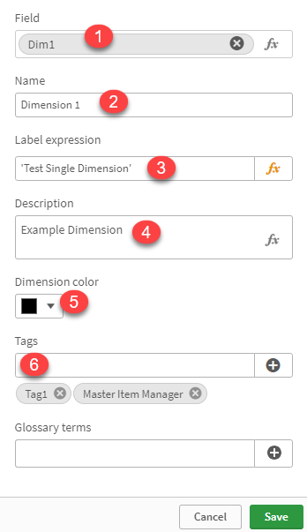
 | No | FieldName | Description | Sample
 | 1 | %MI%DimensionField |  | Dim1
 | 2 | %MI%DimensionName |  | Dimension 1
 | 3 | %MI%DimensionLabelExpression |  | 'Test Single Dimension'
 | 4 | %MI%DimensionDescription |  | Example Dimension
 | 5 | %MI%DimensionColor |  | #000000
 | 6 | %MI%DimensionTags |  | Tag1
 |  | %MI%DimensionId |  | 10001

Measures

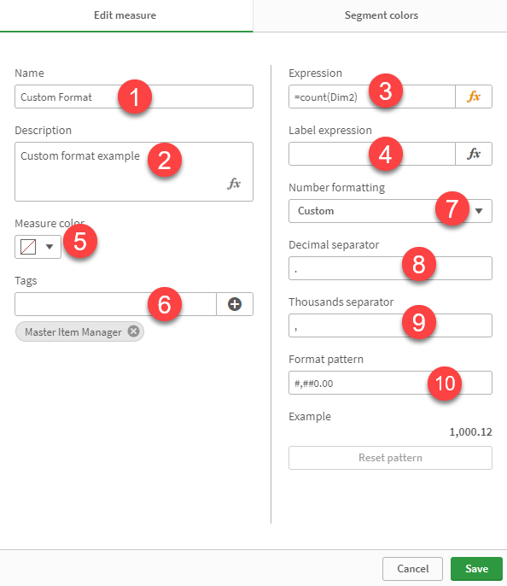
 | No | FieldName | Description | Sample
 | 1 | %MI%MeasureName |  | Custom Format
 | 2 | %MI%MeasureDescription |  | Custom format example
 | 3 | %MI%MeasureExpression |  | =count(Dim2)
 | 4 | %MI%MeasureLabelExpression |  | 'Custom Label'
 | 5 | %MI%MeasureColor |  | #00000
 | 6 | %MI%MeasureTags |  | tag1,tag2
 | 7 | %MI%MeasureFormatType | Format type F: Number D: Date IV: Duration U: Automatic M: Money R: Custom | R
 | 8 | %MI%MeasureFormatDec | Custom decimal separator | .
 | 9 | %MI%MeasureFormatThou | Custom thousand separator | ,
 | 10 | %MI%MeasureFormatFmt | Custom format pattern | #,##0.00
 |  | %MI%MeasureSegmentColor | <color code 1>|<limit value 1>|<gradient mode 1>,,,<color code n> Please put color code only in the last color. | #276e27|25.452|false,#ffcf02|7500|false,#8e477d
 |  | %MI%MeasureSegmentColorFormat | fixed OR percent | fixed
 |  | %MI%MeasureId | Unique identifier id, it can be any number but must be unique | 20001

